Template CPV Cashless
CLAIM PAYMENT VOUCHER

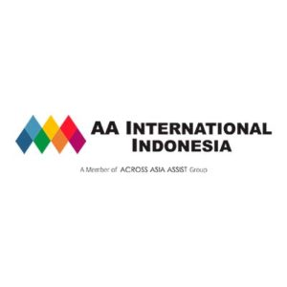
TOTAL COVER |  |  |  | Rp121,906,158.00
DATE |  |  |  | 2020-08-27
PAYMENT VOUCHER NUMBER |  |  |  | CHU/Batch20200827
CLIENT |  |  |  | Chubb Life
SOURCE |  |  |  | BANK CIMB NIAGA
SOURCE ACCOUNT |  |  |  | 800066103200
TOTAL RECORD |  |  |  | 5

NO | CASE ID | TYPE | SERVICE TYPE | PATIENT | PROVIDER | ACC NAME | BANK | ACC NUMB | COVER AMOUNT | TOTAL AMOUNT | Provider | Bank | Acc Numb | On Behalf | Source | Source Acc | Client
1 | 339395 | Cashless | Outpatient | RHEINA MAGISTA PAKPAHAN | AZRA BOGOR, RS | PT ARTHASABENA PUTRA | BCA (BANK CENTRAL ASIA) | 0953015151 | 5,044,200.00
2 | 383559 | Cashless | Inpatient | RADHIKA ARKANA ADRIANSYAH | TELOGOREJO SEMARANG, RS | AA INTERNATIONAL | BANK CIMB NIAGA | 91690010001 | 14,298,638.00
3 | 384019 | Cashless | Inpatient | SLAMET BUDIANTO | HERMINA GRAND WISATA BEKASI, RS | PT MEDIKALOKA GRAND BEKASI | DBS INDONESIA | 3320105880 | 37,502,700.00
4 | 395334 | Cashless | Inpatient | RAFFI ISLAMI PASHA RISDIANTO | PREMIER SURABAYA, RS | PT AFFINITY HEALTH INDONESIA | PT BANK HSBC INDONESIA | 8210010010 | 14,648,000.00
5 | 399245 | Cashless | Inpatient | LENNY LAURENS | PURI BUNDA DENPASAR, RSIA | PT PURI BUNDA | BCA (BANK CENTRAL ASIA) | 6690198868 | 50,412,620.00

 |  | Verified by |  |  | Approval, |  | Releaser,

 |  | 27-Aug-20

